Aide_Assemblage
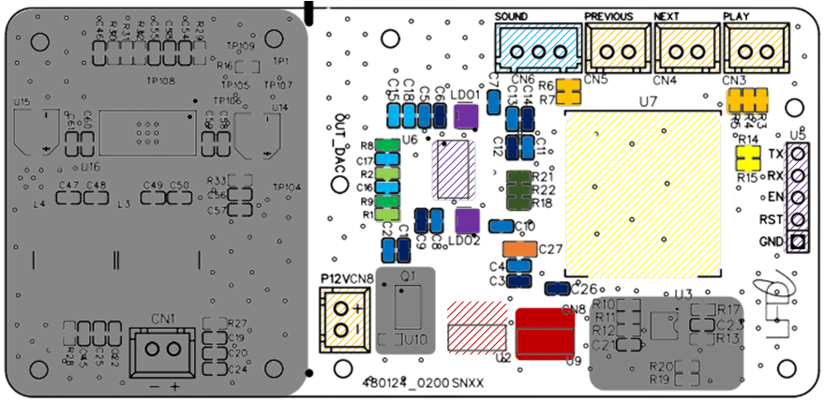

Designation | Reference (LCSC) | Quantiter | Repere topo | Couleur
22Ω | C107701 | 3 | R18,R21,R22
100nF | C2991729 | 13 | C5,C7,C8,C10,C11,C13,C2,C4
10uF | C90053 | 7 | C6,C9,C12,C14,C1,C3,C26
2.2uF | C106213 | 4 | C15,C16,C17,C18
100uF | C141660 | 1 | C27
E6211C33M5G-N | C82942 | 2 | LDO1,LDO2
470Ω | C491171 | 2 | R1,R2
10kΩ | C2989021 | 6 | R3,R4,R5,R6,R7
1kΩ | C2971752 | 8 | R19,R8,R9
LM1117MPX-5.0 | C126028 | 1 | U2
LM1117-3.3V | C126027 | 1 | U9
0Ω | C2906974 | 3 | R14,R15
ESP32-WROOM-32U-H4 | C3013938 | 1 | U7
PCM5102APWR | C107671 | 1 | U6
JST-2,54-3 broche | NA | 4 | CN3,CN4,CN5,CN8
JST-2,54-2 broche | NA | 1 | CN6
Pin header 5 broche | NA | 1 | U5

